YT DC EMEA June Highlights
 |  | June-2026 | Content Planning Highlights

 |  | TARGET GOALS
 |  | Watch Time: | TBC
 |  | Views: | TBC
EMEA

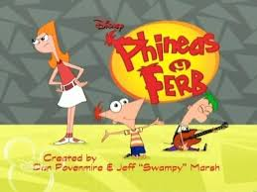
 | CURRENT PRIORITY A |  | Phineas and Ferb S5 Sustain
 |  |  | Continue supporting the latest episodes of Phineas and Ferb Season 5, while blending content from previous seasons in multiple formats:
 |  |  | 1 x Live Stream: highlighting the best songs from Seasons 3 and 4
 |  |  | 1 x Long form episode from Season 5 - FRESH DROP Stunt.
 |  |  | 2 x Musical lifts: featuring two songs from the newly aired Season 5 episodes

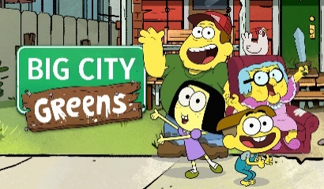
 | CURRENT PRIORITY A |  | Big City Greens S4 Support
 |  |  | Maintain audience engagement for Big City Greens Season 4 by mixing fresh highlights with select content from earlier seasons:
 |  |  | 1 x Long form episode from Season 4 - FRESH DROP
 |  |  | 1 x Compilation: spotlighting the best Cricket moments from Season 4

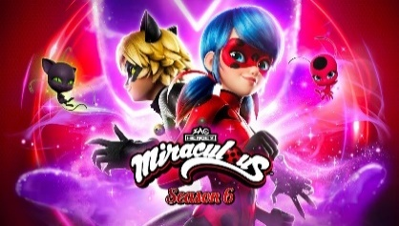 | CURRENT PRIORITY A |  | Miraculous Ladybug S6 NE Premiere Support
 |  |  | Keep excitement high for Miraculous Ladybug Season 6 by showcasing new episodes and favorite moments through special content drops:
 |  |  | 2 x Episode lifts highlighting standout scenes from Season 6
 |  |  | 1 x Compilation: a collection of the most hideous villain moments from Ladybug Season 6 **France

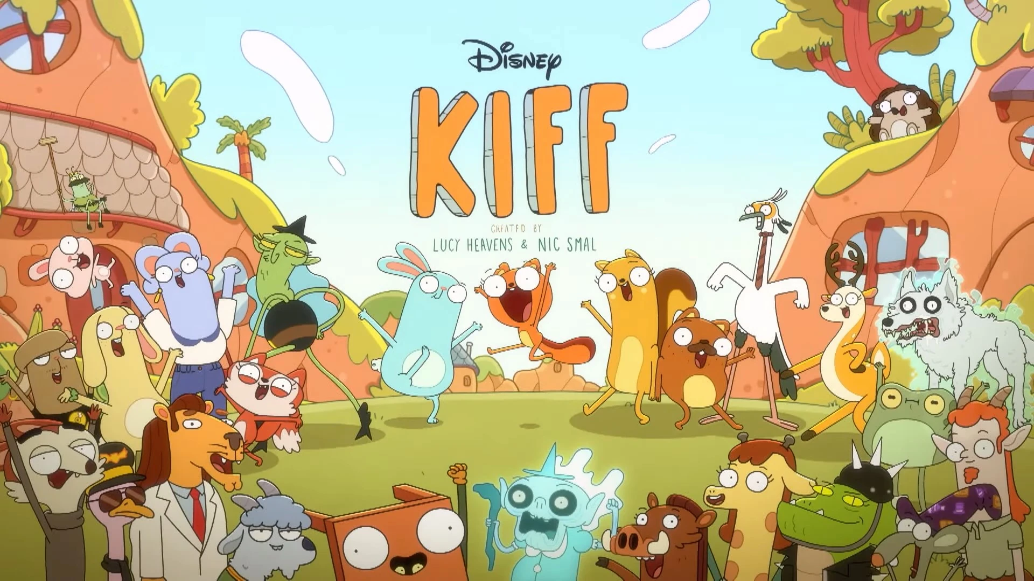 | CURRENT PRIORITY A |  | Kiff S2 Sustain
 |  |  | Maintaing ongoing support for the Kiff Season 2 that Premiere on May:
 |  |  | 2 x Episode lifts from Season 2

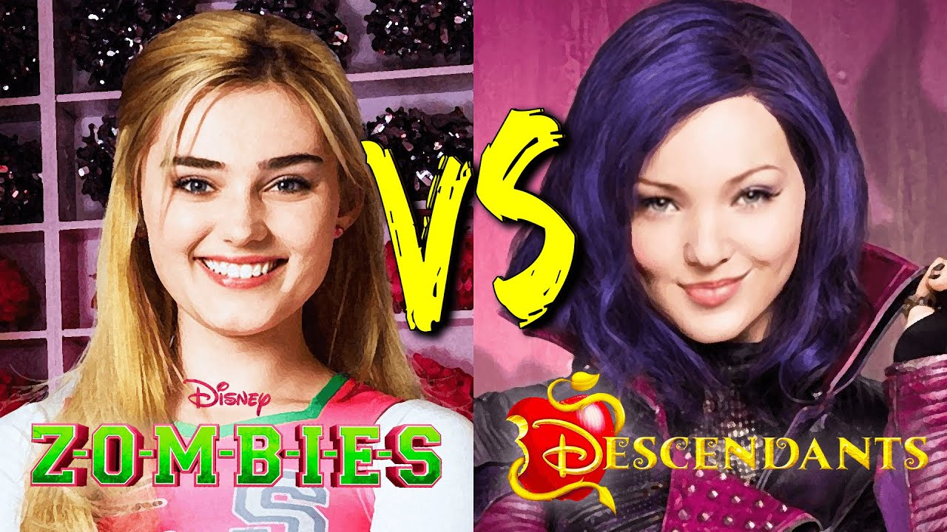 | CURRENT PRIORITY A SUMMER OF MUSIC STUNT / D5 PREMIERE |  | ZOMBIES vs DESCENDANTS 4
 |  |  | Fuel excitement for both franchises as we head toward upcoming DCOM premieres and the Summer of Music Stunt, with a special focus on music, villains, and friendship:
 |  |  | 1 x Compilation: best songs from ZOMBIES 4 and Descendants 4
 |  |  | 1 x Compilation: top dance moments from ZOMBIES 4 and Descendants 4
 |  |  | 1 x Compilation: standout villains from ZOMBIES 4 and Descendants 4
 |  |  | 1 x Compilation: best BFF highlights from ZOMBIES 4 and Descendants 4
 |  |  | 1 x Live Stream: featuring the greatest moments from ZOMBIES 3 and Descendants 3, using May 2026 compilations

 | CURRENT PRIORITY A SUMMER OF MUSIC STUNT / D5 Premiere |  | Descendants Wicked Wonderland Awareness
 |  |  | Build excitement for the new Descendants movie by spotlighting key songs from the film:
 |  |  | 2 x Musical lifts: including "Perfect Princess" from this new descendants adventure with its cutdown version and lyric video. Both align with US Calendar (TBD)

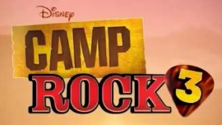 | CURRENT PRIORITY B SUMMER OF MUSIC STUNT / CR3 Premiere |  | Camp Rock Awarness Campaign
 |  |  | Build excitement for Camp Rock by spotlighting key moments and music:
 |  |  | 2 x Compilation: featuring all songs performed in the second movie and best friendship moments from it.
 |  |  | 1 x Live Stream: showcasing the the best songs from the first two movies.

 | CURRENT PRIORITY B |  | Dragon Striker S1 NE Premiere
 |  |  | Support the premiere of this DC Original Series with curated content that submerges viewers into the world of Kal Asterock:
 |  |  | 2 x Full Episodes: introducing the first 2 episodes - FRESH DROP Stunt.
 |  |  | 3 x Sneak Peeks: showcasing fragments of the upcoming episodes that will air on linear channels.
 |  |  | 4 x Compilations: introducing Dragon Striker's world focusing on Character's Powers, Tamas, and Best Plays so far.
 |  |  | 1 x Live Stream: gathering Best Plays and Main Characters Powers
 |  |  | 5 x Exclusive Shorts: highlighting the animated Trading Cards for sustain (TBD)

 | TACTICAL A |  | Miraculous: Tales of Ladybug and Cat Noir Chibis S1
 |  |  | Support US releases and drive engagement with featured content, aligning with EMEA Linear premieres:
 |  |  | 8 x 3-minute episodes (Episodes 1, 2, 3, 4, 5, 6, 8 & 9)

 | TACTICAL B |  | Electric Bloom S1
 |  |  | Reinforce Season 1 awareness in line with the linear premiere in EMEA for this live-action series.
 |  |  | 5 x concert Music lifts from Season 1 episodes.

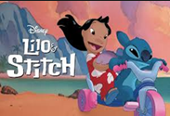 | EVERGREEN |  | Lilo & Stitch S1 Sustain
 |  |  | Sustain audience interest by re-introduing content from the first season:
 |  |  | 1 x Full Episode: re-igniting the fun adventures from Experiment 626 along with Lilo in Hawaii - REWIND Stunt.

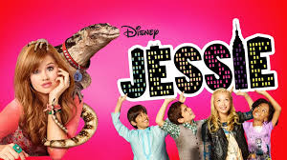
 | EVERGREEN |  | Jessie S4
 |  |  | Grow awareness of Jessie among younger viewers with focused content promotion:

 |  |  | 1 x Episode lift from Season 4

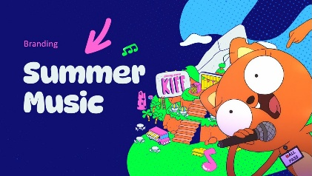
 | TACTICAL OPPORTUNITY |  | Music Celebration Multiplatform Stunt Support
 |  |  | Integrate the narrative across our YT Channels with curated content that marks the start of the summer 2026:
 |  |  | 1 x Compilation: with the Best Opening Songs from Live Action​ series from Disney Channel, from current and past series.

* Final volumes are subject to Tier territories clasification

